TECHNICAL SHEET GARMENT
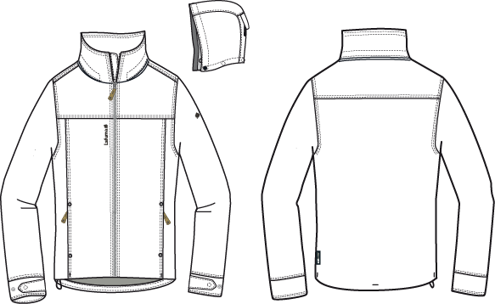
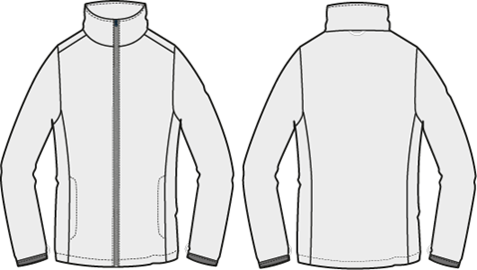
 |  |  | TECHNICAL SHEET GARMENT | WINTER 2018/19
LFV11538 |  | CALDO 3in1 FLEECE HEATHER JKT |  | INDEX | V1BULK
FABRIC / SUPPLIER: |  | 06302 / LIBOLON + PR21 / LOCAL |  | DEVELOPPER |  | Marjorie
DATE | 2020-01-03 |  |  | SUPPLIER : |  | PRIMA CHANNEL

DETAILS JKT 1
 |  | DETAILS JKT |  | WINTER 2018/19
LFV11538 |  |  | CALDO 3in1 FLEECE HEATHER JKT | INDEX | V1BULK
FABRIC / SUPPLIER: |  | 06302 / LIBOLON + PR21 / LOCAL |  | DEVELOPPER |  | Marjorie
帽簷內貼為表布,內穿彈繩,
由左/右兩側各2顆10mm
雞眼穿出+繩釦+
小淚珠+迴紋帶
(L:1.5cm).
DATE | 2020-01-03 |  |  | SUPPLIER : |  | PRIMA CHANNEL
☆門襟拉鍊位置:上領圍以下0.5cm處,
開始車縫.(如下圖).
☆內擋片位置:由上領圍處開始車縫．
0.5cm
內擋片
門襟拉鍊
帽絆壓臨邊線,車黏扣帶
勾面W:2cm L:6cm,帽後車
毛面W:2cm L:10cm.
外領蓋片內釘4組12.5mm隱藏面彈簧釦上半套(面釦隱藏),領布條W:2cm
釘4顆12.5mm彈簧釦下半套,可與
帽底&外領蓋片扣合.

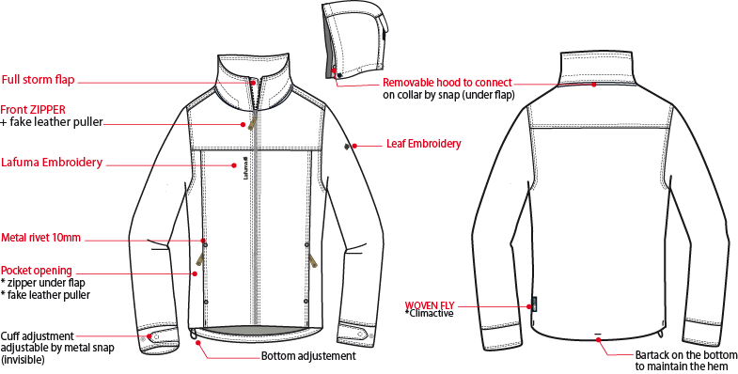

臨邊單針

可拆式帽子,帽底釘4組12.5mm隱藏面彈簧釦上半套(面釦隱藏),可與領布條扣合.

門襟車#8塑鋼拉鍊+拉片,壓1/4"雙針,拉鍊底端兩側打直結.穿者右側有一表布內擋片W:3.5cm,壓臨邊線.

繡花2cm
1/4"雙針

繡花7.2cm

側袋蓋唇W:1cm,上/下各釘1個8mm撞釘,袋口車#5反拉尼龍拉鍊,
向上拉合,袋裡:表布袋貼+210T布.

織標LW050-E
袖絆壓臨邊線,釘1個12.5mm隱藏面彈簧釦-上半套(面釦要隱藏),袖口釘2個12.5mm彈簧釦-下半套,間隔4cm,袖口壓1/4"雙針,固定表布內貼.

裁開袖口,上/下壓1/4"雙針.
下襬內貼表布H:1",不壓明線,打5個結固定下襬內貼(直結:前剪接x2,脇邊x2,橫結:後中x1)

DETAILS LINING JKT 1
 |  | DETAILS LINING JKT |  | WINTER 2018/19
LFV11538 |  |  | CALDO 3in1 FLEECE HEATHER JKT | INDEX | V1BULK
FABRIC / SUPPLIER: |  | 06302 / LIBOLON + PR21 / LOCAL |  | DEVELOPPER |  | Marjorie
側袋手心面
DATE | 2020-01-03 |  |  | SUPPLIER : |  | PRIMA CHANNEL
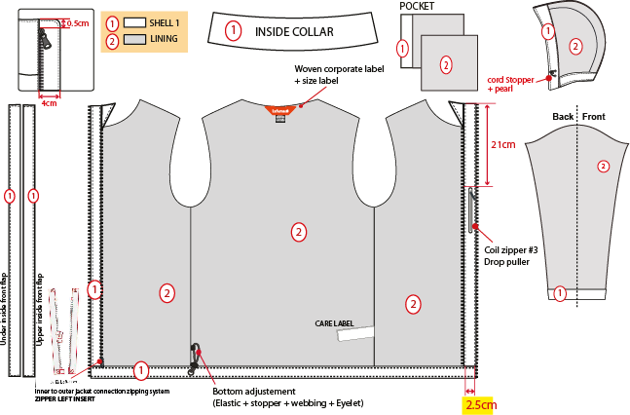
內領表布
表布帽簷內貼,內穿彈繩,由左/右。各兩顆10mm雞眼穿出/入+繩釦+小淚珠+迴紋帶(L:1.5cm)。
帽底貼為表布,帽裏210T布。

內後領圍夾車吊掛式主標和尺寸標(在主標下)
側袋手背面
門襟表布內貼,W:2.5cm.

☆內門襟三角擋片尺寸:L:10cm W:4.5cm,上片:表布/下片:210T布。內門襟車#5塑鋼拉鍊。

穿者右側有一表布內擋片:3.5cm,壓臨邊線.

左內胸袋車#3尼龍反拉拉鍊,
向上拉合,袋口上/下打橫結加強,袋裡:表布內貼+210T Taffeta布.
袖裏210T布,袖口內貼表布。袖口以上7cm車迴紋帶釦絆。

6cm
3/8"W迴紋帶,固定繩釦用,完成尺寸L:1.5cm(對折量).

下襬內貼表布,壓1"單針,內穿彈繩由右側2顆10mm雞眼穿出+繩釦+迴紋帶(如右圖).
表布門襟內貼寬2.5cm。

DETAILS HOOD JKT 1
 |  | DETAILS HOOD LINING JKT |  | WINTER 2018/19
LFV11538 |  |  | CALDO 3in1 FLEECE HEATHER JKT | INDEX | V1BULK
FABRIC / SUPPLIER: |  | 06302 / LIBOLON + PR21 / LOCAL |  | DEVELOPPER |  | Marjorie
DATE | 2020-01-03 |  |  | SUPPLIER : |  | PRIMA CHANNEL
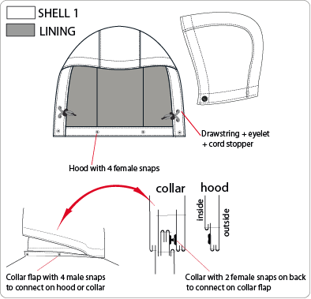
帽絆壓臨邊線,車黏扣帶
勾面W:2cm L:6cm,帽後車
毛面W:2cm L:10cm.

可拆式帽子,帽底釘4組12.5mm隱藏面彈簧釦上半套(面釦隱藏),可與領布條扣合.

帽簷內貼為表布,內穿彈繩,由兩邊內側底部各2顆10mm雞眼穿出+繩釦+小淚珠+迴紋帶(L:1.5cm).

外領蓋片內釘4組12.5mm隱藏面彈簧釦上半套(面釦隱藏),領布條W:2cm
釘4顆12.5mm彈簧釦下半套,可與
帽底&外領蓋片扣合.

DETAILS INNER JKT 2
 |  | DETAILS INNER JKT |  | WINTER 2018/19
LFV11538 |  |  | CALDO 3in1 FLEECE HEATHER JKT | INDEX | V1BULK
FABRIC / SUPPLIER: |  | 06302 / LIBOLON + PR21 / LOCAL |  | DEVELOPPER |  | Marjorie
DATE | 2020-01-03 |  |  | SUPPLIER : |  | PRIMA CHANNEL
門襟車#5塑鋼拉鍊,露齒作法，壓1/4"單針,下方左/右各打一直結,拉鍊要平直不可有波浪狀.
表布內領片，下領圍包光壓臨邊單針.
1/4"單針.

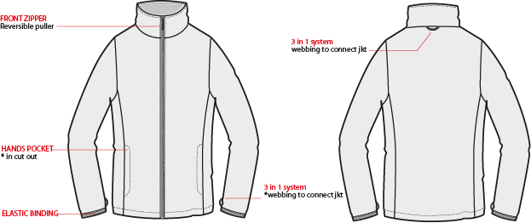

外後領圍中心夾車織帶耳,可與外夾克扣合用.

袋唇W:1",壓裝飾線,袋口上/下打橫結,袋裡:表布內貼+Mesh網布.

袖口車W:2CM對折帶包邊,接合處縫份包光作法,底線用伸縮線,袖下剪接夾車織帶掛耳(位置如附件),可與外夾克扣合用.
下襬高1"，拷克向內反折，壓1/4"三本雙針.

DETAILS LINING INNER JKT 2
 |  | DETAILS LINING INNER JKT |  | WINTER 2018/19
LFV11538 |  |  | CALDO 3in1 FLEECE HEATHER JKT | INDEX | V1BULK
FABRIC / SUPPLIER: |  | 06302 / LIBOLON + PR21 / LOCAL |  | DEVELOPPER |  | Marjorie
DATE | 2020-01-03 |  |  | SUPPLIER : |  | PRIMA CHANNEL
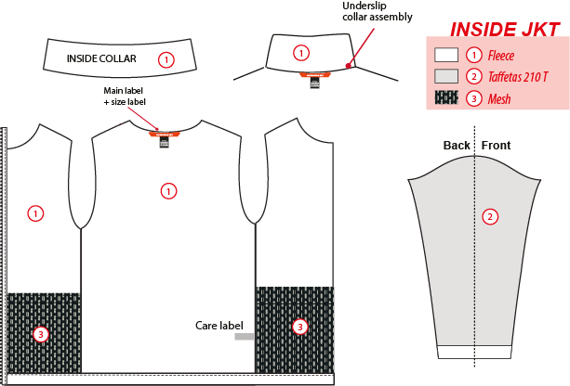
表布內領片

內夾表布

210T布
內後領圍夾車logo織帶和尺寸標
DW187網布

袖裏210T布

側袋裏外緣需與門襟/脇邊/下襬固定,頂端為包光作法，壓1/4"單針。

CONNECTION DETAILS
 |  | DETAILS JKT |  | WINTER 2018/19
LFV11538 |  |  | CALDO 3in1 FLEECE HEATHER JKT | INDEX | V1BULK
FABRIC / SUPPLIER: |  | 06302 / LIBOLON + PR21 / LOCAL |  | DEVELOPPER |  | Marjorie
DATE | 2020-01-03 |  |  | SUPPLIER : |  | PRIMA CHANNEL
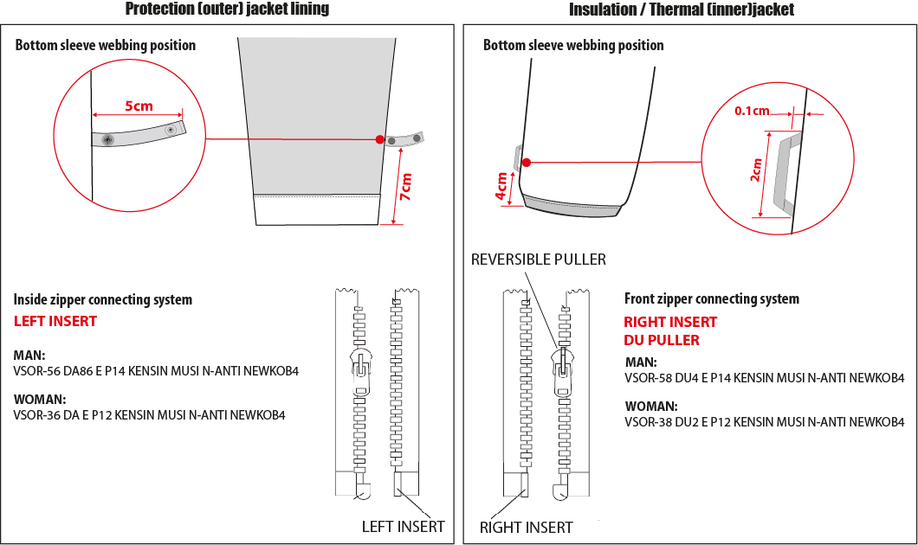

袖口以上7cm車迴紋帶釦絆。
袖口以上4cm車織帶掛耳。

男款內門襟拉鍊:#5塑鋼拉鍊,左插右拉
男款內夾門襟拉鍊:#5塑鋼拉鍊,右插左拉

6cm
☆內後領圍中心x1和袖口內x2,需夾車迴紋帶(W:1/2" 內後領中心L:6cm/袖口L:5cm) +1組10mm四合釦,可與內夾克扣合用,迴紋帶要對折壓臨邊線.

COLOR COMBINATION
 |  | COLOR COMBINATION |  |  |  |  |  |  |  | WINTER 2018/19
LFV11538 |  |  |  |  |  |  | CALDO 3in1 FLEECE HEATHER JKT |  |  | INDEX | V1BULK
FABRIC / SUPPLIER: |  | 06302 / LIBOLON + PR21 / LOCAL |  |  |  |  |  |  |  | DEVELOPPER |  |  | Marjorie
DATE | 2020-01-03 |  |  |  |  |  |  |  |  | SUPPLIER : |  |  | PRIMA CHANNEL
FABRIC OUTER JKT |  |  |  |  |  |  | ECLIPSE BLUE 8598 | HEATHER GREY 4809 | BLACK 0247
SHELL 1 06302 5K/5K LIBOLON |  |  |  |  | BODY |  | INK/NOIR | HEATHER GREY | ANTHRACITE GREY
TAFFETAS LINING 210 T ( local sourcing) |  |  |  |  | BODY SLEEVES HOOD POCKET BAGS |  | BLACK | BLACK | BLACK
SEAM TAPE ( local sourcing) |  |  |  |  | CRITICAL (shoulders, hood, neckline, armhole) |  | CLEAR | CLEAR | CLEAR
NON WOVEN ( local sourcing) |  |  |  |  | FLAPS + EMBROIDERIES BACKSIDE |  | BLACK | BLACK | BLACK
FABRIC INNER JKT
SHELL 2 E3400 ASIA PACIFIC |  |  |  |  | INNER JKT |  | SAPHIR | NOIR | NOIR
TAFFETAS LINING 210 T ( local sourcing) |  |  |  |  | INSIDE SLEEVES |  | BLACK | BLACK | BLACK
NON WOVEN ( local sourcing) |  |  |  |  | EMBROIDERIES BACKSIDE |  | STANDARD | STANDARD | STANDARD
MESH ( local sourcing) |  |  |  |  | POCKETS BAGS |  | BLACK | BLACK | BLACK
TRIMS & ACCESSORIES OUTER JKT
 | DESCRIPTION |  | REF | SUPPLIER | DESIGNATION | QTY | ECLIPSE BLUE 8598 | HEATHER GREY 4809 | BLACK 0247 | S | M | L | XL | XXL | XXXL
Zipper VISLON # 8 - 1WAY - separable- autolock VS0-V-86 DALH |  |  | VS0-V-86 DALH | SHZ | Front zip | 1 | ECLIPSE BLUE TAPE : 960 TEETH : DARK NICKEL | GREY TAPE : 301 TEETH : DARK NICKEL | BLACK TAPE : 580 TEETH : DARK NICKEL
INVERTED coil #5 - 1way- NON separable -non lock SN52MAX |  |  |  | MAX zipper | Hands pockets | 2 | ECLIPSE BLUE 960 | GREY 301 | BLACK 580
Zipper VISLON #5 - Left insert 1WAY - SEPARABLE - AUTOLOCK VSOR-56 DA86 E P14 KENSIN MUSI N-ANTI NEWKOB4 |  |  |  | YKK zipper | Connected zipper on lining | 1 | ECLIPSE BLUE 960 | GREY 301 | BLACK 580
Inverted coil #3 - 1WAY - Non separable - non lock - Drop puller SN31WDM |  |  |  | MAX zipper | Inner pocket | 1 | ECLIPSE BLUE 960 | GREY 301 | BLACK 580
cord puller |  |  | ZP072-E | DRAGON TIMES | Front opening (1) | 1 | BLACK | BLACK | BLACK
12mm FLAT METAL SNAP (male & female) 5 (NVISIBLE) |  |  |  | LOCAL | Hood & collar (4) | 4 | DARK ANTIC | DARK ANTIC | DARK ANTIC
12mm FLAT METAL SNAP MALE PART |  |  |  | LOCAL | Cuff tab (4) | 4 | DARK ANTIC | DARK ANTIC | DARK ANTIC
12mm FLAT METAL SNAP FEMALE PART |  |  |  | LOCAL | Cuff tab (2) Collar flap (2) | 4 | DARK ANTIC | DARK ANTIC | DARK ANTIC
METAL NAIL 08 MM |  |  |  | LOCAL | Hands Pocket end | 4 | DARK ANTIC | DARK ANTIC | DARK ANTIC
2,5mm ELASTIC CORD |  |  |  | LOCAL | Bottom adjustment (1) Hood adjustment ( 1) | 2 | BLACK | BLACK | BLACK
MMG CORD STOPPER 20MM+SLIT |  |  | EIS15U-XMSTP01 | UNITEX | Bottom adjustment (1) Hood adjustment ( 2) | 3 | BLACK | BLACK | BLACK
PLASTIC PEARL |  |  | CP-A1 | UNITEX | Hood adjustment (2) | 2 | BLACK | BLACK | BLACK
10mm METAL EYELET |  |  |  | LOCAL | Hood adjustment (4) Bottom adjustment (2) | 6 | ANTIC SILVER | ANTIC SILVER | ANTIC SILVER
5mm POLYESTER WEBBING |  |  | EIS15U-XMTRE01 | YF ZIPPER | Bottom adjustment (2) Hood adjustment (2) | 4 | BLACK | BLACK | BLACK
12mm NYLON WEBBING |  |  |  | LOCAL | JKT connection Neckline (1) Sleeves Connection(2) | 3 | BLACK | BLACK | BLACK
8mm PLASTIC SNAP |  |  |  | LOCAL | JKT connection Neckline (1) Sleeves connection(2) | 3 | BLACK | BLACK | BLACK
VELCRO FEMALE ( rounded corner) 20x100mm |  |  |  | LOCAL | Back hood adjustment on GARMENT | 1 | TON/TON | TON/TON | TON/TON
VELCRO MALE ( rounded corner) 20x60mm |  |  |  | LOCAL | Back hood adjustment on FLAP | 1 | TON/TON | TON/TON | TON/TON
TRIMMING AND ACCESSORIES INNER JKT
 | DESCRIPTION |  | REF | SUPPLIER | DESIGNATION | QTY | INSIGNA BLUE | CARBONE GREY | INSIGNA BLUE | S | M | L | XL | XXL | XXXL
Zipper VISLON # 5 - 1WAY - Right insert VSOR-58 DU4 E P14 KENSIN MUSI N-ANTI NEWKOB4 |  |  |  | YKK zipper | Front zip | 1 | ECLIPSE BLUE 960 | BLACK 580 | BLACK 580
MMG WEBBING 5MM WIDTH |  |  | EIS15U-XMTRE01 | YF ZIPPER | JKT connection Neckline (1) Sleeves Connection(2) | 3 | SAPHIR | NOIR | NOIR
ELASTIC BINDING total width 20mm |  |  | EB011-E | WILSON GROUP | CUFF hem | 2 | SAPHIR | NOIR | NOIR
MARKING OUTER JKT
EMBROIDERY LAFUMA 72 mm |  |  |  | LOCAL / MING SHYANG | Right front / top | 1 | ECLIPSE BLUE 30055 | GREY 40031 | BLACK 9000
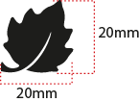 EMBROIDERY LAFUMA FEUILLE 20 mm |  |  |  | LOCAL / MING SHYANG | Left sleeve / top | 1 | ECLIPSE BLUE 30055 | GREY 40031 | BLACK 9000
LABELS OUTER JKT
 WOVEN LABEL |  |  | LW034-E | SML | Neckline / centered | 1 | ORANGE
SIZE WOVEN LABEL MMG MEN ALPHA/TOP |  |  | LWS18-01 | SML | Neckline / centered | 1 | ORANGE
Care Label & P.O. Label |  |  | LC011-E (L1LATPH00.) | SML | left side seam | 1 | WHITE satin
 CLIMACTIVE WOVEN FLY |  |  | LW050-E | LOCAL | Insert in left side seam 7cm from bottom finish edge | 1 | STANDARD BLACK
LABELS INNER JKT
PRINTED TAPE 5MM |  |  | WB108-E | DRAGON TIMES | Neckline / centered | 1 | ORANGE
SIZE WOVEN LABEL MMG MEN ALPHA/TOP |  |  | LWS18-01 | SML | Neckline / centered | 1 | ORANGE
Care Label & P.O. Label |  |  | LC011-E (L1LATPH00.) | SML | left side seam |  | WHITE satin
HANG TAG
 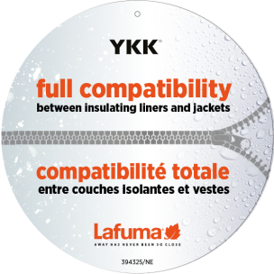 HANG TAG MIX & MATCH |  |  | HT394325/NE | TRIPLE STAR | Front zipper | 1 | STANDARD
 HANGTAG LAFUMA CORPORATE |  |  | SMALL HT-394082-E | TRIPLE STAR | Left side pocket | 1 | STANDARD
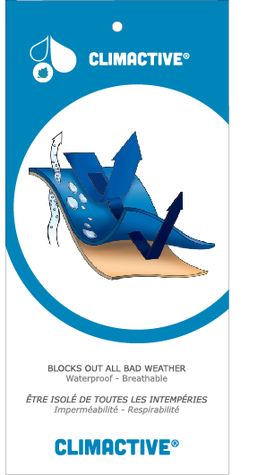 HANG TAG CLIMACTIVE |  |  | SMALL HT394146-E | TRIPLE STAR | Insert inside corporate HT | 1 | STANDARD
HANG TAG PFC FREE |  |  | HT394145-E | TRIPLE STAR | Back of corporate HT | 1 | STANDARD
 GENCODE STICKER |  |  |  | LOCAL |  | 2 | STANDARD
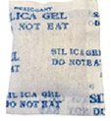 SILICA GEL DMF U FREE 5gr |  |  |  | LOCAL |  | 1
 POLYBAG |  |  |  | LOCAL | for garment packing | 1
 |  |  |  | LOCAL | Hang tags

MARKING
 |  |  |  | MARKING |  |  | WINTER 2018/19
LFV11538 |  |  | CALDO 3in1 FLEECE HEATHER JKT |  |  |  | INDEX | V1BULK
FABRIC / SUPPLIER: |  | 06302 / LIBOLON + PR21 / LOCAL |  |  |  |  | DEVELOPPER |  | Marjorie
DATE | 2020-01-03 |  |  |  |  |  | SUPPLIER : |  | PRIMA CHANNEL
MARKING OUTER JKT
DESIGNATION |  |  |  |  |  | POSITION
LAFUMA+楓葉繡花7.2cm
穿者右前胸剪接下1.5cm
距門襟拉鍊1.5cm
EMBROIDERY LAFUMA 72 mm |  |  |  |  | RIGHT TOP FRONT * VERTICAL POSITION : 1,5 cm above chest cut * ALONG FRONT: 1 ,5 cm from front zipper
楓葉繡花2cm
穿者左袖肩點下8cm
EMBROIDERY LAFUMA FEUILLE 20 mm |  |  |  |  | 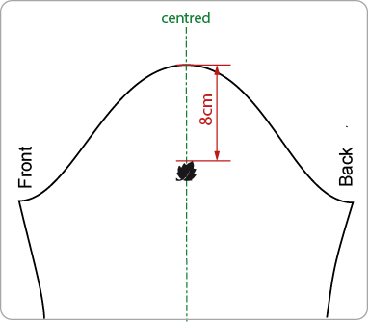 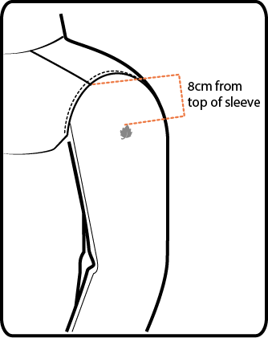 LEFT TOP SLEEVE 8 cm from top sleeve
穿者左後脇邊下襬上7cm。
WOVEN LABEL CLIMACTIVE |  |  |  |  | Insert in left side seam 7cm from bottom finish edge

JACKET SKETCH MEASUREMENTS
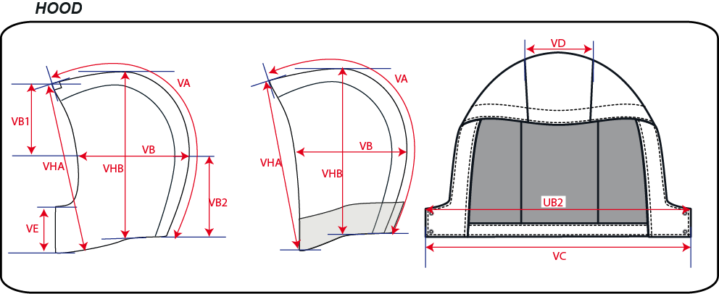
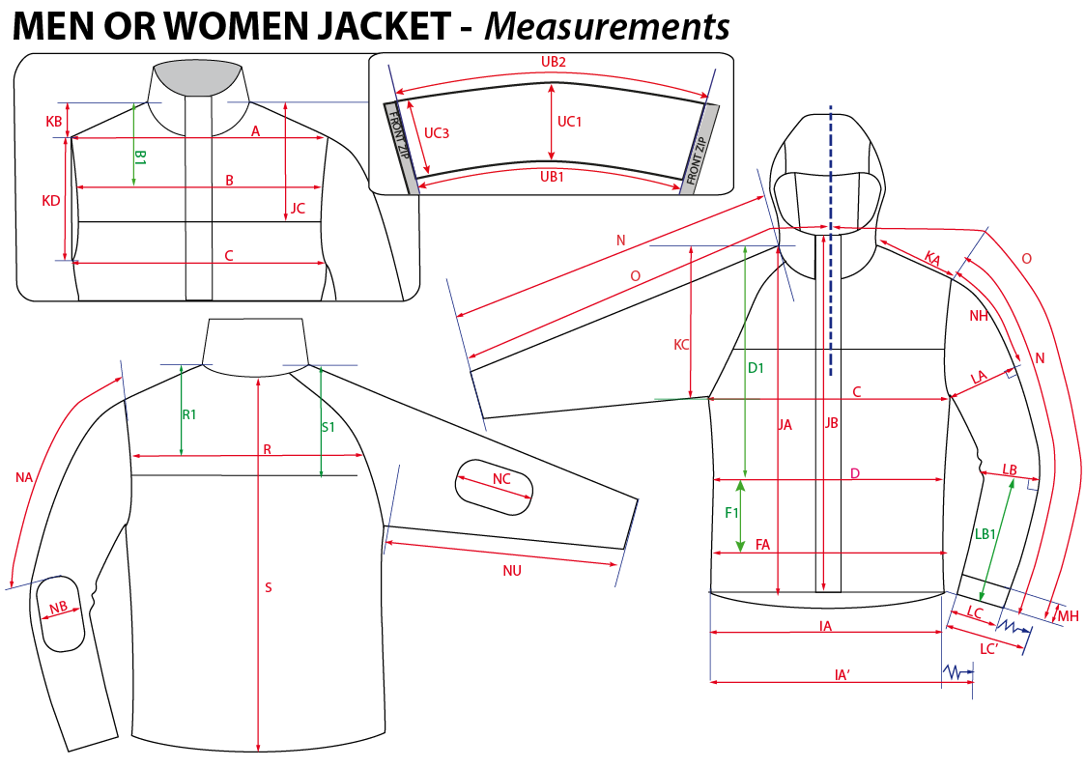
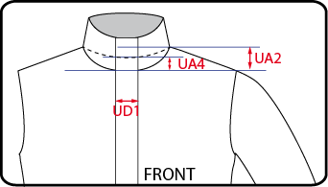
 |  | HOW TO TAKE MEASUREMENTS | WINTER 2018/19
LFV11538 |  | CALDO 3in1 FLEECE HEATHER JKT |  | INDEX | V1BULK
FABRIC / SUPPLIER: |  | 06302 / LIBOLON + PR21 / LOCAL | DEVELOPPER |  | Marjorie
DATE | 2020-01-03 |  | SUPPLIER : |  | PRIMA CHANNEL

HANG TAGS
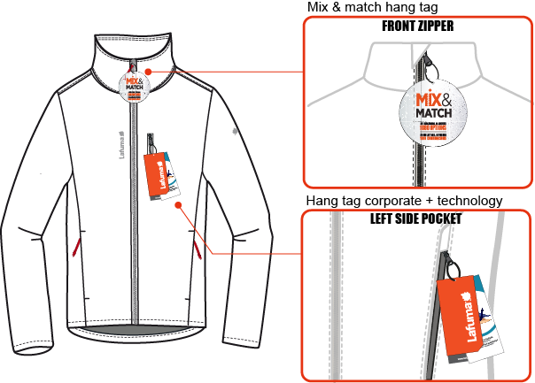
 |  | HOW TO ATTACH HANG TAGS | WINTER 2018/19
LFV11538 |  | CALDO 3in1 FLEECE HEATHER JKT |  | INDEX | V1BULK
FABRIC / SUPPLIER: |  | 06302 / LIBOLON + PR21 / LOCAL | DEVELOPPER |  | Marjorie
DATE | 2020-01-03 |  | SUPPLIER : |  | PRIMA CHANNEL

